Application Screen
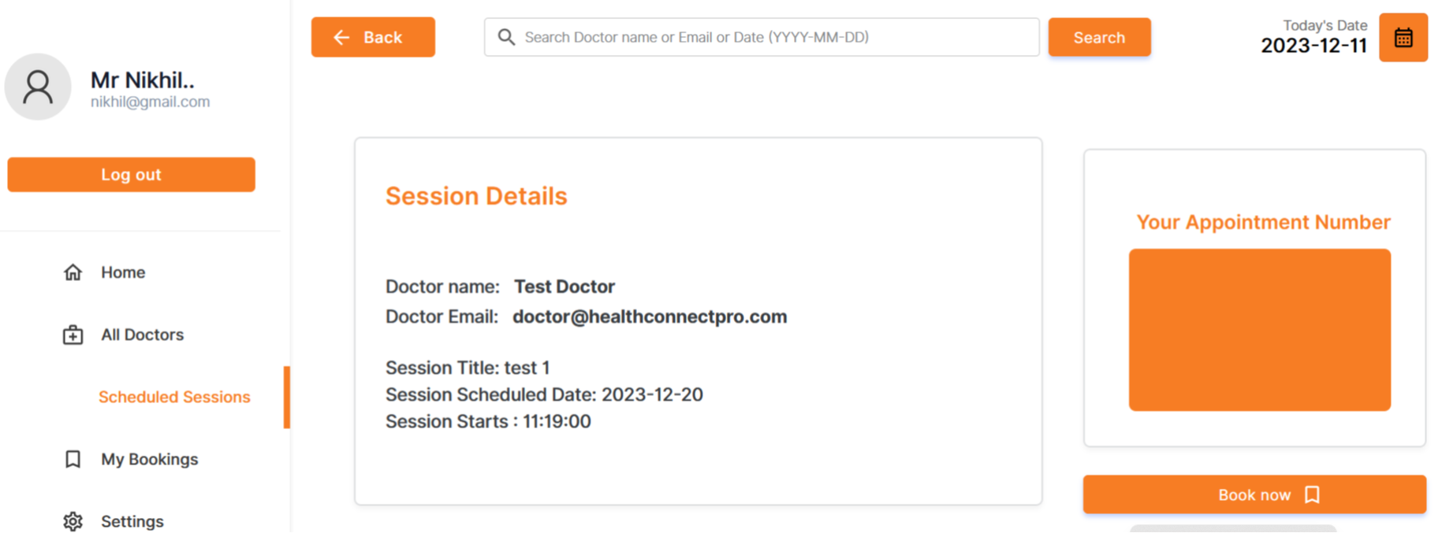

Test case 5
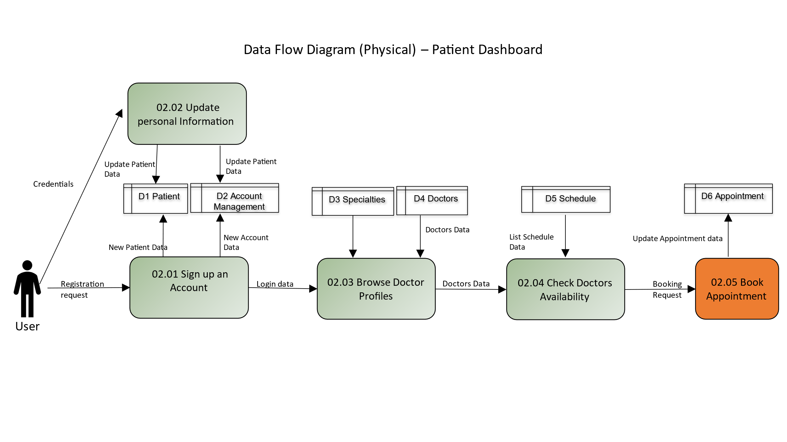
Test Case: 5
TC Title: | TC2 02.05 Book Appointment - Data Flow In

TC Objective: | The accurate flow of data, ensuring the system processes and records appointment data with precision. This objective aims to affirm the reliability of the data flow, guaranteeing that user inputs are correctly reflected in the system's records.

TC Description: | Step | Step Description | Expected Results
 | 1 | Log in using valid user credentials. | Successful login, and the user is directed to the application's main dashboard. Navigate to the "Book Appointment" section.
 | 2 | Choose a specific doctor and select a preferred time slot for the appointment. | The system initiates a request to the database, retrieves a list of available time slots for the selected doctor, and displays the options for the user to choose.
 | 3 | Review the selected doctor, date, and time for the appointment. | The system presents a summary of the appointment details, ensuring that the displayed information accurately corresponds to the data retrieved from the database.
 | 4 | If additional information is required (e.g., reason for appointment, patient details), provide the necessary details. | The system sends the additional information to the database for storage, ensuring that the data is accurately recorded and associated with the appointment.
 | 5 | Confirm the appointment booking by clicking the "Book Appointment" or equivalent button. | The system updates the database to record the appointment, reserves the selected time slot, and provides a confirmation message to the user. Additionally, any relevant notifications or emails may be triggered.

